BC
IB01-Groww Large Cap Fund
Portfolio as on 31-JAN-2026
ISIN | Name of Instrument | Rating/Industry | Quantity | Market Value (In Rs. lakh) | % To Net Assets | Maturity Date | Put/Call Option | Yield
 | EQUITY & EQUITY RELATED
 | (a) Listed / awaiting listing on the stock exchanges
INE040A01034 | HDFC Bank Limited | Banks | 116,132.00 | 1,079.16 | 8.36%
INE090A01021 | ICICI Bank Limited | Banks | 79,542.00 | 1,077.79 | 8.35%
INE018A01030 | Larsen & Toubro Limited | Construction | 23,289.00 | 915.79 | 7.10%
INE062A01020 | State Bank of India | Banks | 63,225.00 | 681.03 | 5.28%
INE397D01024 | Bharti Airtel Limited | Telecom - Services | 31,820.00 | 626.44 | 4.85%
INE002A01018 | Reliance Industries Limited | Petroleum Products | 40,860.00 | 570.16 | 4.42%
INE296A01032 | Bajaj Finance Limited | Finance | 48,797.00 | 453.74 | 3.52%
INE101A01026 | Mahindra & Mahindra Limited | Automobiles | 10,119.00 | 347.26 | 2.69%
INE238A01034 | Axis Bank Limited | Banks | 24,911.00 | 341.38 | 2.65%
INE009A01021 | Infosys Limited | IT - Software | 20,623.00 | 338.42 | 2.62%
INE121A01024 | Cholamandalam Invest & Finance Co Ltd | Finance | 20,332.00 | 331.74 | 2.57%
INE481G01011 | UltraTech Cement Limited | Cement & Cement Products | 2,589.00 | 328.65 | 2.55%
INE237A01036 | Kotak Mahindra Bank Limited | Banks | 78,784.00 | 321.44 | 2.49%
INE685A01028 | Torrent Pharmaceuticals Limited | Pharmaceuticals & Biotechnology | 7,971.00 | 315.72 | 2.45%
INE263A01024 | Bharat Electronics Limited | Aerospace & Defense | 69,897.00 | 313.84 | 2.43%
INE758T01015 | Eternal Limited | Retailing | 109,370.00 | 299.24 | 2.32%
INE271C01023 | DLF Limited | Realty | 41,207.00 | 261.97 | 2.03%
INE298A01020 | Cummins India Limited | Industrial Products | 6,070.00 | 249.63 | 1.93%
INE585B01010 | Maruti Suzuki India Limited | Automobiles | 1,705.00 | 248.91 | 1.93%
INE192R01011 | Avenue Supermarts Limited | Retailing | 5,981.00 | 220.67 | 1.71%
INE066A01021 | Eicher Motors Limited | Automobiles | 3,095.00 | 220.44 | 1.71%
INE155A01022 | Tata Motors Passenger Vehicles Limited | Automobiles | 55,788.00 | 195.29 | 1.51%
INE028A01039 | Bank of Baroda | Banks | 64,842.00 | 194.14 | 1.50%
INE437A01024 | Apollo Hospitals Enterprise Limited | Healthcare Services | 2,496.00 | 173.73 | 1.35%
INE079A01024 | Ambuja Cements Limited | Cement & Cement Products | 32,011.00 | 163.30 | 1.27%
INE030A01027 | Hindustan Unilever Limited | Diversified FMCG | 6,518.00 | 154.67 | 1.20%
INE081A01020 | Tata Steel Limited | Ferrous Metals | 78,848.00 | 152.28 | 1.18%
INE775A01035 | Samvardhana Motherson International Ltd | Auto Components | 117,424.00 | 132.57 | 1.03%
INE733E01010 | NTPC Limited | Power | 37,092.00 | 132.05 | 1.02%
INE721A01047 | Shriram Finance Limited | Finance | 12,578.00 | 128.30 | 0.99%
INE823G01014 | JK Cement Limited | Cement & Cement Products | 2,295.00 | 126.76 | 0.98%
INE027H01010 | Max Healthcare Institute Limited | Healthcare Services | 11,234.00 | 107.49 | 0.83%
INE591G01025 | Coforge Limited | IT - Software | 5,769.00 | 95.41 | 0.74%
INE020B01018 | REC Limited | Finance | 23,139.00 | 84.25 | 0.65%
INE06ST01018 | Indiqube Spaces Ltd | Commercial Services & Supplies | 42,189.00 | 74.36 | 0.58%
INE117A01022 | ABB India Limited | Electrical Equipment | 1,156.00 | 64.49 | 0.50%
INE262H01021 | PERSISTENT SYSTEMS LTD | IT - Software | 1,043.00 | 62.95 | 0.49%
INE00H001014 | SWIGGY LIMITED | Retailing | 19,294.00 | 59.76 | 0.46%
INE2KCE01013 | Kwality Wall’s (India) Limited | Food Products | 6,518.00 | 2.62 | 0.02%
 | Sub Total |  |  | 11,647.83 | 90.26%
 | (b) Unlisted |  |  | NIL | NIL
 | Sub Total |  |  | NIL | NIL
 | Total |  |  | 11,647.83 | 90.26%

 | DEBT INSTRUMENTS
 | (a) Listed / awaiting listing on Stock Exchanges |  |  | NIL | NIL
 | Sub Total |  |  | NIL | NIL
 | (b) Privately placed / Unlisted |  |  | NIL | NIL
 | Sub Total |  |  | NIL | NIL
 | (c) Securitized Debt Instruments |  |  | NIL | NIL
 | Sub Total |  |  | NIL | NIL
 | (d) Government Securities / SDL |  |  | NIL | NIL
 | Sub Total |  |  | NIL | NIL
 | Total |  |  | NIL | NIL

 | MONEY MARKET INSTRUMENTS
 | Total |  |  | NIL | NIL

 | Mutual Fund Units
INF109KC19W1 | ICICI Prudential Mutual Fund |  | 523,388.00 | 62.02 | 0.48%
 | Total |  |  | 62.02 | 0.48%

 | Cash & Cash Equivalents
 | Net Receivable/Payable |  |  | 1,194.55 | 9.26%
 | Total |  |  | 1,194.55 | 9.26%
 | Grand Total |  |  | 12,904.40 | 100.00%

Notes :
1) The provision made for investment in security below investment grade as on Jan 31, 2026 is Rs Nil and its percentage to Net Asset Value is Nil.
2) Net Assets Value per unit (in Rs) are as follows :
Plan/Option | As on Jan 30, 2026 | As on Dec 31, 2025
Direct Plan - IDCW Option (Payout & Reinvestment) | 30.1000 | 30.9500
Direct Plan - Growth Option | 51.9600 | 53.4300
Direct Plan - Half Yearly IDCW Option (Payout & Reinvestment) | 29.2100 | 30.0300
Direct Plan - Monthly IDCW Option (Payout & Reinvestment) | 23.2100 | 23.8600
Direct Plan - Quarterly IDCW Option (Payout & Reinvestment) | 28.9900 | 29.8100
Regular Plan - IDCW Option (Payout & Reinvestment) | 24.2400 | 24.9500
Regular Plan - Growth Option | 43.0300 | 44.2800
Regular Plan - Half Yearly IDCW Option (Payout & Reinvestment) | 25.8300 | 26.5900
Regular Plan - Monthly IDCW Option (Payout & Reinvestment) | 24.7800 | 25.5000
Regular Plan - Quarterly IDCW Option (Payout & Reinvestment) | 25.6900 | 26.4400

3) Details of Dividend declared per unit (in Rs.) during the Month of Jan 2026- NIL
4) No Bonus declared during the month Jan 2026
5) Total outstanding exposure in derivative instruments as on Jan 31, 2026 : - NIL
6) Total investments in Foreign Securities / Overseas ETFs as at Jan 31, 2026 and its percentage to NAV : Nil.
7) Details of repo transactions in corporate debt securities for the month of Jan 2026: Nil.
8) Details of transactions of (Credit Default Swap) for half year ended Jan 31, 2026 : Nil.
9) During the period, the portfolio turnover ratio is 1.15 times
10) Whether any security is in default beyond its maturity date: NIL
11) Whether during the period any investment is made in derivative instruments: Nil

Scheme - Groww Large Cap Fund | Benchmark - NIFTY 100-TRI
Scheme Risk-O-Meter | Benchmark Risk-O-Meter

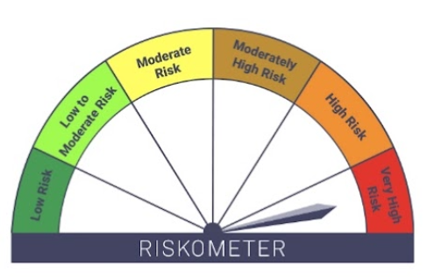

LF
IB02-Groww Liquid Fund
Portfolio as on 31-JAN-2026
...
4) No Bonus declared during the month Jan 2026
9) Average maturity of the portfolio : 30.55 Days
10) Reverse Repo market value is considered as book cost plus accrued Interest.
11) Whether any security is in default beyond its maturity date: NIL
12) Whether during the period any investment is made in derivative instruments: NIL

Scheme - Groww Liquid Fund | Benchmark - CRISIL Liquid Debt A-I Index | Potential Risk Class (PRC)
Scheme Risk-O-Meter | Benchmark Risk-O-Meter | PRC Level - BI
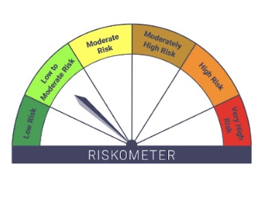
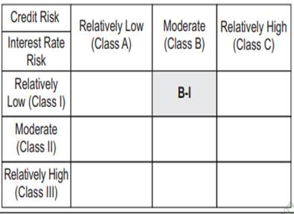

EH
...
3) Details of Dividend declared per unit (in Rs.) during the Month of Jan 2026- NIL
9) During the period, the portfolio turnover ratio is 1.43 times
10) Whether any security is in default beyond its maturity date: NIL
11) Whether during the period any investment is made in derivative instruments: Nil

Scheme - Groww Aggressive Hybrid Fund | Benchmark - CRISIL Hybrid 35+65 - Aggressive Index
Scheme Risk-O-Meter | Benchmark Risk-O-Meter

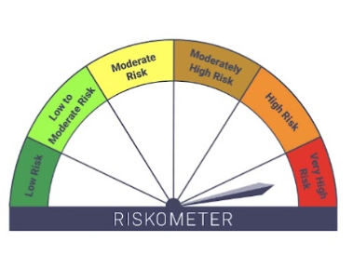
...

DB
...
3) Details of Dividend declared per unit (in Rs.) during the Month of Jan 2026- NIL
7) Details of repo transactions in corporate debt securities for the month of Jan 2026: Nil.
8) Details of transactions of (Credit Default Swap) for half year ended Jan 31, 2026 : Nil.
9) Average maturity of the portfolio : 10.61 Days
10) Whether any security is in default beyond its maturity date: NIL
11) Whether during the period any investment is made in derivative instruments: NIL

Scheme - Groww Dynamic Bond Fund | Benchmark - CRISIL Dynamic Bond A-III Index | Potential Risk Class (PRC)
Scheme Risk-O-Meter | Benchmark Risk-O-Meter | PRC Level - BIII
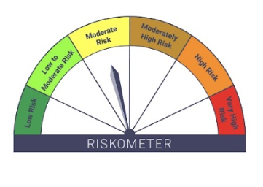
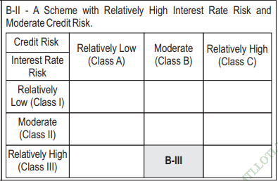
...

ST
...
4) No Bonus declared during the month Jan 2026
7) Details of repo transactions in corporate debt securities for the month of Jan 2026: Nil.
8) Details of transactions of (Credit Default Swap) for half year ended Jan 31, 2026 : Nil.
9) Average maturity of the portfolio : 1.53 Days
10) Whether any security is in default beyond its maturity date: NIL
11) Whether during the period any investment is made in derivative instruments: NIL

Scheme - Groww Short Duration Fund | Benchmark - CRISIL Short Duration Debt A-II Index | Potential Risk Class (PRC)
Scheme Risk-O-Meter | Benchmark Risk-O-Meter | PRC Level - BII
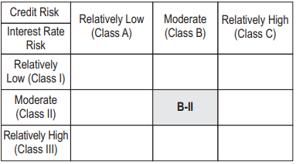
...

OF
...
4) No Bonus declared during the month Jan 2026
9) Average maturity of the portfolio : 2.00 Days
10) Reverse Repo market value is considered as book cost plus accrued Interest.
11) Whether any security is in default beyond its maturity date: NIL
12) Whether during the period any investment is made in derivative instruments: NIL

 | Scheme - Groww Overnight Fund | Benchmark - CRISIL Liquid Overnight Index | Potential Risk Class (PRC)
 | Scheme Risk-O-Meter | Benchmark Risk-O-Meter | PRC Level - AI
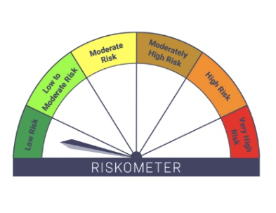
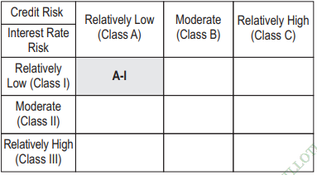
...

GE
...
3) Details of Dividend declared per unit (in Rs.) during the Month of Jan 2026- NIL
7) Details of repo transactions in corporate debt securities for the month of Jan 2026: Nil.
8) Details of transactions of (Credit Default Swap) for half year ended Jan 31, 2026 : Nil.
9) During the period, the portfolio turnover ratio is 0.15 times
10) Whether any security is in default beyond its maturity date: NIL
11) Whether during the period any investment is made in derivative instruments: NIL

 | Scheme - Groww Gold ETF | Benchmark - Domestic Price of Physical Gold (based on London Bullion Market association (LBMA) gold daily spot fixing price)
 | Scheme Risk-O-Meter | Benchmark Risk-O-Meter
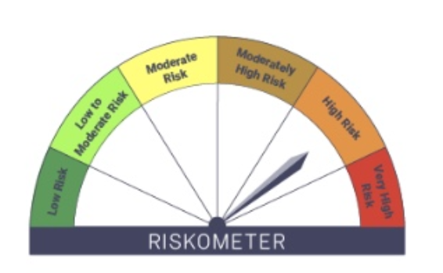
...

MM
...
3) Details of Dividend declared per unit (in Rs.) during the Month of Jan 2026- NIL
6) Total investments in Foreign Securities / Overseas ETFs as at Jan 31, 2026 and its percentage to NAV : Nil.
7) Details of repo transactions in corporate debt securities for the month of Jan 2026: Nil.
8) Details of transactions of (Credit Default Swap) for half year ended Jan 31, 2026 : Nil.
9) Average maturity of the portfolio : 0.08 Days
10) Whether any security is in default beyond its maturity date: NIL
11) Whether during the period any investment is made in derivative instruments: NIL

 |  | Potential Risk Class (PRC)
Scheme - Groww Money Market Fund | Benchmark - CRISIL Money Market Index A-I | PRC Level - BI
Scheme Risk-O-Meter | Benchmark Risk-O-Meter
